SI Quotation Guide
 |  | LG CNS Standard Quotation
Refer to the Standard Quotation (Family SI) Guide
essential

* WIRE Competency-based Price System: Standard Quotation (Family SI) - https://wire.lgcns.com/confluence/x/gAJ8Cw

essential
Enter project information -Basic project information sheet

Quotation based on standard blank cheque

Step1.Define the unit process - (1)Public check-based development man-hours sheet
essential
Step2.Calculation of development man-hours - (1)Public check-based development man-hours sheet
essential
essential
Quotation method
Step3.Calculation of man-hours outside of development - (2)Development External Aviation Sheet
Step4.Preparation of Detailed Head Count Input Plan - Reference)Detailed Head Count Input Plan sheet

*Requirements, separated and created into independent unit processes (EP: Elementary Process, Bonn) centered on the main functions (input, modification, deletion, inquiry) ※ Standard of Software Business Price - Ministry of Information and Communication Notice No. 2003-14 (2003. 2. 10> : The bone is the smallest unit of a program that can independently execute functions of each type such as input, inquiry, modification, output, etc., and it refers to a set unit of steps designed with a low degree of coupling between the bones and a high degree of cohesion between the internal steps of the bone.
1. Inputs of development/processing/function type, new/change, difficulty (complexity) by unit process (H~M columns) 2. 'New Reuse': When developing a new function by referring to an existing source, the man-hours for applying reuse are automatically calculated by the 'Reuse Change Rate' selection value for each unit process and the 'Reuse Difficulty' in the project basic information sheet. * Reuse change rate: The percentage of changes in the original source and the newly generated code in the total 4. Only when the development type is selected as 'Other', other man-hours are required: Reflections of development-related activities or additional man-hours that are not included in the standard blank cheque (e.g., regression, integrated exam, conversion data extraction/verification, learning curve, package configuration, development environment setup, etc.) 5. In 'Difficulty, Reuse, and Other Man-Hours Application Details', if necessary, enter the basis for determining the degree of difficulty and the impact of reuse.
1. In addition to the head count directly input into the development process, the manpower required to perform additional roles such as management is calculated based on MM. 2. Calculate the total man-hours of the standard estimate by combining the development man-hours and the management and non-development man-hours and check the results.
1. Establish a monthly input plan for each expected head count based on total man-hours (considering the work pre-and post-work relationship, minimum input period, possible time of input/withdrawal, additional expected work, etc.) 2. Basically, the standard unit price corresponding to the standard level is applied, and if it is determined as a specific unit price, the corresponding unit price is entered. 3. Confirm the final project size and amount

*Decision criteria: Unless it is difficult to determine the scope of pre-development and the MM estimate is reasonable, the basic principle is to estimate based on standard blank checks.

Step5.Review the Quotation Results
Step6. Submission of quotation and proposal (CP preparation)

MM-based quotation

essential
Exceptionally, if a discount is applied to the contract amount, the difference from the quoted amount is indicated as the discount amount in the quotation (specify the reason for the discount, such as a discount reflecting the special situation of each customer determined as other) * Only with the approval of the person in charge
MM-based estimation and input plan preparation - (3)MM-based quotation sheet

MM-based quotation is exceptionally applied when it is difficult to determine the scope of pre-development and the MM estimate is reasonable. - PI/Consulting, Equipment/Facility Setup (in case of work not listed in the standard cheque), Dispatch of manpower to the customer, After opening, customer support, additional/residual development, solution purchase/setup, etc. - Roll-in/out application and support activities (e.g. user training, setup, business trip support, etc.) - When the overall scope/scale is not determined due to separate orders for each process (e.g. Analysis/Design Only)

Hướng dẫn cách điền file Estimation
Effort Estimation | Bảng tính effort của từng tính năng nhỏ, theo loại hình dev (UI/BE/Batch...), loại tính năng (CRUD), độ khó (C1~C5), phân loại phát triển mới/update, Tỷ lệ phải sửa khi tái sử dụng (tỷ lệ càng thấp càng đỡ tốn effort), Effort khác | ① Dev Effor base on Effort tabl
Bảng tiêu chuẩn_ Định nghĩa Loại hình Dev | Phân loại theo từng loại hình Dev và phát triển mới/ sửa đổi, độ phức tạp, Effort phát triển của từng loại | Sheet Details Effort
Loại tính năng | Chia làm 4 loại CRUD
Độ khó | Tiêu chuẩn để xác định độ khó theo từng loại hình Dev | Sheet Difficulty (Complexity)
Phân loại | - Phát triển mới: Phát triển mới hoàn toàn (Create) - Phát triển update: ví dụ với loại tính năng Delete - Phát triển mới bằng tái sử dụng: Ví dụ với loại tính năng Edit, View
Tỷ lệ thay đổi khi tái sử dụng | Phải sửa < 33% khi tái sử dụng Phải sửa từ 33~65% khi tái sử dụng Phải sửa trên 66% khi tái sử dụng
Effort khác

Quote_Sample
見積書

This quotation is for reference only
Formulas and values can be freely modified.
※ Please attach the actual quotation submitted by each customer when requesting CPapproval.
(LG Chem, Energy Solution IT Investment Plan)

Sushin | : |  | LGOO Business Innovation OO Team OOO Responsibility

Thank you for your business with us, and we quote you as below.
Seoul, Gangseo-gu, Magokjungang8-ro 71 CEO : Hyun Shin Kyun
Quotation | : | 1,132,142 |  |  | Tianyuan (VAT excluded)

 |  |  |  |  |  |  |  |  |  | (Unit: thousands of won)
Job Description |  | entry |  |  |  | Level of technical competence | Quantity(mm) | Unit | Offer price | Remarks
00Management System 000 Spread |  | Development Area |  | Based on standard blank cheques | OO Development | L-2.0 | 1.22 | 19,255 | 23,475

 |  |  |  | Special (market) unit price | ABAP Developer | Market Unit Price | 8.00 | 20,872 | 166,976

 |  | Non-Development Areas |  | Detailed Challenge Analysis |  | L-4.0 | 10.00 | 37,548 | 375,479 | PP(1.3) surcharge
 |  |  |  | Installation of infrastructure facilities |  | L-2.5 | 5.00 | 21,181 | 105,905
 |  |  |  | Project Manager |  | L-4.0 | 12.00 | 28,883 | 346,596
 |  |  |  | Architecture Reading |  | L-4.0 | 5.00 | 34,660 | 173,298 | PP(1.2) Surcharge
 |  |  |  |  |  |  |  |  | 0
Labor Cost Subtotal |  |  |  |  |  |  |  |  | 1,191,729
Discount Amount |  |  |  |  |  |  |  |  | 59,586 | 5% discount (previously agreed upon for OOO reasons) | Reason for discount
Expenses |  | Travel/reporting/meeting expenses
Total (VAT excluded) |  |  |  |  |  |  |  |  | 1,132,142
What to expect |  | 1) This quotation is for this case only and is valid for 30 days from the date of quotation.

Difficulty (Complexity)
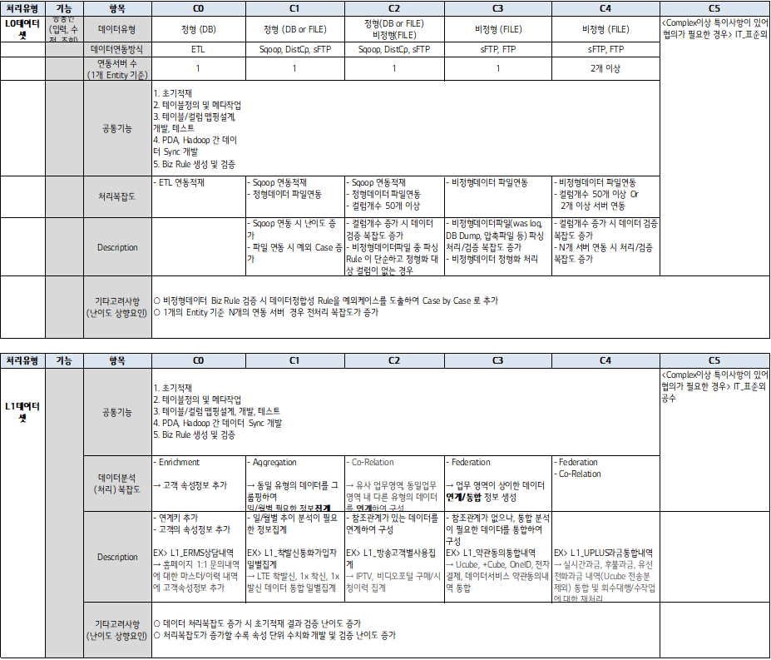
[Web] |  |  | 4mh
Processing Type | entry | C1 | C2 | C3 | C4 | C5
Online | Table (Except coded) | . No more than 2 | . No more than 3 | . 4 or less | . 5 or more | . Complexity4 or higher If there is a need for consultation
 | Number of columns/items (Screen, Handing) | . No more than 10 | . 10~20 | . 15~25 | . 25 or more
 | Processing complexity (Validation Note 1> | . No more than 5 | . 6 ~ 10 | . 11~15 | . More than 15
 | Processing complexity 1) Number of work logic 2) 2) Calculation Note 3) 3) Screen Function Note 4) | . none | . 1~5 | . 6~10 | . Over 10
 | UI elements (common) | . Design, alignment, etc.
 | Others/Examples | . Common Excel Download features . Simple inquiry without calculation (e.g. number inquiry) | . Normal List lookup with calculations . Create a simple icon menu - if you only have an on-screen UI and an image . If you don't have a major logic in your business . Simple input, modification screen, simple join, and processing screen for query results | . Changing and Adding Table Columns . If there is an important logic of the work . When the complexity of the design requires a lot of manual assembly . If a specific function is required, such as sorting by column, a screen with a page function, etc. | . Data Upload Processing Screen (Upload Data Using Files) . When there is validation complexity according to the important logic of the business | . When it is necessary to link external devices, function modules provided by companies, open APIs, etc. . If there is a requirement that needs to be implemented by applying the device . If you have a configuration request for your own security and cryptographic modules . In the event of a special occurrence such as the introduction of a solution . Perform highly complex logic, control external hardware, and apply new technologies
Batch/ Conversion | Table | . No more than 2 | . 3 pcs | . 4 pcs | . 5 pcs | . 6 or more
 | Processing complexity (Calculation & Check Process) | . No more than 2 times | . E3 | . E4 | . E5 | . More than 6 times
 | Processing complexity (Transaction) | . none | . 1~2pcs | . 3~4pcs | . 5~6pcs | . 7 or more
 | Other Considerations (Difficulty Increase) | . External Systems, External Links . vs. Capacity Data Processing (Performance, Validation, Exception Data) . Consider I/F method complexity (MQ, WebService, EAI, B2Bi)

Note 1) The number of alerts or JavaScript processed at the screen level (Check) |  |  | Note 3) Average, Sum, Deviation, etc.
Note 2) There is no special business logic such as branching or processing by type in Server Logic. |  |  | Note 4) Screen link, Reset, paging processing, file attachment, sorting function, mailing, etc.

[C/S]
Processing Type | entry | C1 | C2 | C3 | C4 | C5 | Class Description
Online |  | - If there is no major logic in the business - Simple inquiry within 2~3 tables, simple calculation - If there is no change in the DB Object. | - Processing of simple transactions in about 3 tables - If there are less than 5 validation checks according to the important logic of the business - Table column changes and additions occur - When CRUD functions are interrelated, Excel processing, etc. | - When 4 or fewer tables are linked and transaxtion occurs. - If there is an addition of special functions - If there are more than 5 validation checks according to the important logic of the work - Creating tables, changing columns, and adding - The correlation of CRUD functions is complex. | - When more than 5 tables are linked to create a complex transaxtion - If there is a special function or exception function added - If there are more than 5 validation checks according to the important logic of the work or if there are many branches of the work logic - Creating tables, changing columns, and adding - Implemented with technology that lacks experience and competence | - Complexity4 or higher If there is a special matter and a consultation is required When screen configuration (tap configuration, etc.) and logic processing are very complex and require long-term verification When there is a lot of linkage between other systems and it is complicated, communication with the outside world occurs Application of new technologies that have not been experienced, application of solutions, etc. | Program for User Interface for Client ▶ Development of process UI screen for MES ▶ Configure screen layout such as list inquiry and detailed inquiry Display item definition ▶ Invoke business logic or invoke the DB's Stored Procedure ▶ Organize your screen, including images ▶ Includes other types of I/F including PLC and signal processing items
Batch | Table | . No more than 2 | . 3 pcs | . 4 pcs | . 5 pcs | . 6 or more | Processing the work logic that the system triggrings Large-scale batch processing
 | Processing complexity (Calculation & Check Process) | . No more than 2 times | . E3 | . E4 | . E5 | . More than 6 times
 | Processing complexity (Transaction) | . none | . 1~2pcs | . 3~4pcs | . 5~6pcs | . 7 or more
 | Other Considerations (Difficulty Increase) | . External Systems, External Links . vs. Capacity Data Processing (Performance, Validation, Exception Data) . Consider I/F method complexity (MQ, WebService, EAI, B2Bi)

[DW]
category | C1 | C2 | C3 | C4 | C5 | Describe the criteria (simple logic) | Describe criteria (complex logic)
Ingestion ETL | 1~2 tables, and if you handle simple logic | - Refer to 3~4 tables, and handle simple logic - Refer to 1~2 tables, and when processing complex logic | - Refer to 5~6 tables, and if you are dealing with simple logic - Refer to 3~4 tables, and handle complex logic | - Refer to more than 7 tables, and handle simple/complex logic - Refer to 5~6 tables, and handle complex logic | . Complexity4 or higher If there is a need for consultation | -If you are using Generated SQL -DB, if you are using the default function provided | -User Defined: If you're using SQL -If you have a parallel processing job (PX job)
Consolidated Summary ETL | 1~2 tables, and if you handle simple logic | - Refer to 3~4 tables, and handle simple logic - Refer to 1~2 tables, and when processing complex logic | - Refer to 5~6 tables, and if you are dealing with simple logic - Refer to 3~4 tables, and handle complex logic | - Refer to more than 7 tables, and handle simple/complex logic - Refer to 5~6 tables, and handle complex logic | . Complexity4 or higher If there is a need for consultation | - If you use source tables and columns without variations, or if you use simple mapping logic | -When using advanced ETL features such as hash functions -If you have a parallel processing job (PX job)
Universe | 1 table, and if you are dealing with simple logic, | - Refer to 2~3 tables, and if you are dealing with simple logic - Referring to 1 table, when dealing with complex logic | -Refer to 4~5 tables, and if you are dealing with simple logic -Refer to 2~3 tables, and if you are dealing with complex logic | - Refer to more than 6 tables, and handle simple/complex logic - Refer to 4~5 tables, and handle complex logic | . Complexity4 or higher If there is a need for consultation | - if you are referencing a physical table or View without any variations | -If you are referencing a derived table (a View formed by separate logic)
BO Report | If you refer to 1 universe and handle simple logic | - If you refer to 2 universes and handle simple logic - When referring to 1 universe and processing complex logic | - 3 universes, if you are dealing with simple logic - Refer to 2 universes, and if you are dealing with complex logic. | - When referring to more than 4 universes and dealing with simple/complex logic - When referring to 3 universes and dealing with complex logic | . Complexity4 or higher If there is a need for consultation | - If you are using a basic chart, do not use variables, or if the design application is simple | -Capacity when processing data -If you are using a customized chart, using a large number of variables, or applying a complex design
MSTR Meta | - Refer to 1~5 dimension tables, and handle simple logic | - Refer to 6~10 dimension tables, and handle simple logic - Refer to 1~5 dimension tables, and handle complex logic | - Refer to 11~15 dimension tables, and handle simple logic - Refer to 6~10 dimension tables, and handle complex logic | - Referring to more than 16 dimension tables, and processing simple logic - Refer to 11~15 dimension tables, and handle complex logic | . Complexity4 or higher If there is a need for consultation | - When creating schema objects using source tables and columns without variations, or when using simple mapping logic when creating public objects. | -When creating a schema object, the source table and columns are formed with separate logic, or the number of metrics is more than 30.
MSTR Report | 1-10 MSTR objects, and if you are dealing with simple logic, | - 11~20 MSTR objects, and simple logic is processed - 1~10 MSTR objects, and when processing complex logic | - 21~30 MSTR objects, and simple logic is processed - 11~20 MSTR objects, and when processing complex logic | - Referencing more than 31 MSTR objects, and processing simple logic - Referencing 21~30 MSTR objects, and processing complex logic | . Complexity4 or higher If there is a need for consultation | - Use default Attributes, Metrics, or use no variables, or if the design application is simple. | -If the metric logic is complex, if you use complex (derived) Metrics, if you use a large number of variables, or if you apply a complex design.
BI Report | 1 table, no more than 5 columns | - No more than 2 tables, no more than 10 columns, and no more than 5 calculations and check processes | - No more than 3 tables, no more than 20 columns, and no more than 10 calculation and check processes | - No more than 4 tables, no more than 25 columns, and no more than 15 calculation and check processes. | . Complexity4 or higher If there is a need for consultation
BI Meta | 1 table, no more than 10 columns | - No more than 2 tables, no more than 15 columns, and no more than 5 calculations and check processes | - No more than 3 tables, no more than 20 columns, and no more than 10 calculation and check processes | - No more than 4 tables, no more than 25 columns, and no more than 15 calculation and check processes. | . Complexity4 or higher If there is a need for consultation
Essbase | 1~5 tables, and if you are dealing with simple logic | - Refer to 6~7 tables, and handle simple logic - Refer to 1~5 tables, and if you are dealing with complex logic | - Refer to 8~9 tables, and handle simple logic - Refer to 6~7 tables, and when dealing with complex logic | - Refer to more than 10 tables, and handle simple/complex logic - Refer to 8~9 tables, and if you are dealing with complex logic | . Complexity4 or higher If there is a need for consultation | -When using simple rollup functions such as SUM/AVG | -When using the Custom Calc function or implementing complex computational logic (daily calculation)
Arcplan | 1 table, and if you are dealing with simple logic, | - Referencing 2 tables, and processing simple logic - Referring to 1 table, when dealing with complex logic | -3 tables, if you are dealing with simple logic. - Refers to 2 tables, if you are dealing with complex logic. | - Refer to more than 4 tables, and handle simple/complex logic - 3 tables, when dealing with complex logic | . Complexity4 or higher If there is a need for consultation | - If the data processing is simple, or if you are using the Arcplan basic chart | - If you have complex data processing logic or use customized charts - If you use internal DB to match the screen format
* If more than 50% of the new program needs to be modified
* Tables include facts and dimensions

[SAP ERP]
Processing Type | C1 | C2 | C3 | C4 | C5 | Class Description
Online | A simple process with fewer than 3 main functions or - Simple Validation Check for less than 5 items - Simple calculation and check process of less than 3 times - Fewer than 4 key table-related processes Simple screen with fewer than 3 screens - Fewer than 10 columns - Table Control | Complex processes with fewer than 3 main functions or - Complex Validation Checks for fewer than 5 items - Complex calculation and check processes of less than 3 times - Fewer than 4 key table-related processes - Less than 4 simple screen BDC processes - Simple screen development (Call Transtion, Submit..) Fewer than 3 screens, including complex screens - More than 10 columns. - Complex lists (Table Control) - Subscreen (Tab Control) - Simple Form Report (Smart Form, SAP Script) | A simple process with three or more main functions or - Simple Validation Check for more than 5 items - More than 3 simple calculation and check processes - More than 4 key table-related processes - More than 4 complex screen BDC processes 3 or more screens, and 2 or fewer complex screens - Fewer than 10 columns. - Table Control - Simple Form Report (Smart Form, SAP Script) | Complex processes with three or more main functions or - Complex validation checks for more than 5 items - More than 3 complex calculation and check processes - More than 4 key table-related processes - BDC process that performs two or more transactions 3 or more screens, and 3 or more complex screens - More than 10 columns. - Complex lists (Table Control) - Tab Control - Complex form reports (Smart Form, SAP Script) | . Complexity4 or higher If there is a need for consultation | A program that is further developed to meet the needs of users and CUD is generated through user input ▶ Module Pool ▶ User input via ALV Control ▶ A program that performs CUD through the user's input data (column data) on the screen [Remarks] ▶ Functional Unit: Logic for development, such as calculation/check, SQL complexity, number of SQL executions, and number of cases. ▶ Screen unit: Displays the complexity of the design aspect rather than the implementation logic aspect, and considers Report/Print forms such as SmartForm and SAPScript as screens. ▶ Main function: Refers to the sub screen of the program or the main function of the program. ▶ Screen: 1 screen when running SAP Transtion, and one screen for Sub Tab when using TAB. The number of tables is not included on the screen
Report | A simple process with fewer than 3 main functions or - Simple calculation and check process of less than 3 times - Fewer than 4 key table-related processes Simple screen with fewer than 3 screens - Simple lists. | Complex processes with fewer than 3 main functions or - Complex calculation and check processes of less than 3 times - Fewer than 4 key table-related processes - Less than 4 simple screen BDC processes - Simple screen development (Call Transtion, Submit..) Fewer than 3 screens, including complex screens - Complex lists (trees) - Complex report forms - Simple Smart Form, SAP Script | A simple process with three or more main functions or - More than 3 simple calculation and check processes - More than 4 key table-related processes - More than 4 complex screen BDC processes 3 or more screens, and 2 or fewer complex screens - Simple lists. - Simple Smart Form, SAP Script | Complex processes with three or more main functions or - More than 3 complex calculation and check processes - More than 4 key table-related processes - BDC process that performs two or more transactions 3 or more screens, and 3 or more complex screens - Complex lists (trees) - Complex report forms - Complex Smart Forms, SAP Script | . Complexity4 or higher If there is a need for consultation | A program that inquires data that meets certain conditions according to the user's needs or executes the scheduling process ▶ Report / Statistical Inquiry Program ▶ After list inquiry, implement additional functions such as detailed inquiry, status change, approval, and release ▶ Implementation of additional functions through selection, checking, etc. without user input on the screen ▶ ABAP Query
Batch | Simple process - Process by simple inquiry or source file - Simple calculation and check process of less than 3 times - Fewer than 4 key table-related processes | A process with simple logic added - Complex calculation and check processes of less than 3 times - BDC using 1 simple transaction - Fewer than 4 major table-related processes | Processes with complex logic added - View more than 4 related table information for additional information after file upload - More than 4 simple calculation and check processes - BDCs that use less than 3 transactions and contain complex screens - More than 4 major table-related processes | Complex processes that perform multiple functions - BDCs that use 3 or more complex transactions - More than 4 complex calculation and check processes - Other complex processes.. | . Complexity4 or higher If there is a need for consultation | Programs developed further for the processing of large amounts of data using native programs in SAP R/3 or for the convenience of users. ▶ Multi-data control through file upload for reflection of basic data or master data ▶ Batch Program with Schedule Interval (Deadline) ▶ Multi-Data Conversion for Partial Change of Master or Transaction Data ▶ Excludes the CATT program
Interface | Simple Lookup Process - Return the list after a simple inquiry - Simple calculation and check process of less than 3 times - Fewer than 4 key table-related processes | Processes without argument variants1) or append items2) - Complex calculation and check processes of less than 3 times - Fewer than 4 key table-related processes - BDC using 1 simple transaction | Complex processes with argument variants or item additions - More than 3 simple calculation and check processes - More than 4 key table-related processes - BDCs that use less than 3 transactions and contain complex screens - The item uses a simple BAPI Function | Complex processes that require additional functionality - More than 3 complex calculation and check processes - Complex BDCs that use 3 or more transactions - The item is complex or uses more than one BAPI function | . Complexity4 or higher If there is a need for consultation | Additional development program for interface with external systems ▶ RFC / BAPI Interface ▶ iDoc Interface ▶ Interfaces through DB Link are categorized into On Line, Report, and Batch. [Definitions] ▶ Argument Transformation: The part that needs to be changed, such as changing the code value of the target system, splitting, consolidation, etc. Transforming Legacy product code and SAP product code by managing mapping table, splitting text arguments with constant format and transforming them into data for use ▶ Add Item: When creating an additional item through a Master or related Table query in addition to the item input as an argument. * Add customer information/price information based on the customer code, copy the details of the billing document from the deficit order to create a deficit order.
Enhancement | Simple process - Use less than 2 simple functions IMG Configuration - Simple code registration | Simple process - Use less than 3 complex functions - Simple calculation logic added IMG Configuration - Settings related to two or more modules | Complex process - Use less than 5 complex functions - Fewer than 4 calculations or logic implementations - Simple on-screen process IMG Configuration - Establishment of new processes | Complex process - More than 5 complex processes - Implement more than 4 calculations or logic - Complex screen process IMG Configuration - Establish two or more impactful processes | . Complexity4 or higher If there is a need for consultation | Adding some functionality to a native SAP R/3 program to suit your needs. Commonly referred to as user-exit ▶ User Exits & Customer Exits ▶ Field / Screen / Function / Menu Exits ▶ Function Module Exits ▶ IMG Configuration

[RPA]
* Scope of quotation: Analysis, design, development, exam, operation transfer -> Analysis design, man-hours of customer communication roles (project leading roles) are further examined
* If the difficulty calculation unit (step) includes multiple work objects/types, it is calculated by adding them up.

category | Work to/type | C0 | C1 | C2 | C3 | C4 | C5
Document processing (Office Appl.) | Excel | . Not used . Exceptions only apply when there is no data manipulation | . Difficulty below C2 | Low amount of extract/processing data Processes only numerical structured data Simple output generation with no file manipulation | Moderate amount of extract/processed data Has processing for unstructured data Manipulating and saving files using common functions Generate files of normal difficulty The complexity of the processing logic is moderate | Extremely large amount of extract/processing data Lots of unstructured text data processing There is file operation using advanced functions High demand for data analysis and visualization .of complex issues such as macro processing Has a background task | . Difficulty above C4
 | PPT, Word, PDF | . Not used . Exceptions only apply when there is no data manipulation | Not used | . Difficulty below C3 | 1 document to be processed, low throughput The document is structured It is an open and search-oriented process of documents. Very simple copy and save | More than one document to be processed, high throughput Unstructured content exists (location, form) Normal level editing and storage with search Take action | A large number of documents to be processed, with a very high throughput There are a lot of unstructured documents and contents. (location, form) Complex level editing and storage with search Perform tasks, including forms and graphs, etc.
 | Image processing | . Not used . Exceptions only apply when there is no data manipulation | Not used | . Difficulty below C3 | Single processing document, low throughput Simple form, formality of the image and Very accurate | Multiple processing documents, high throughput The formality and accuracy of the form and image Moderate Images do not contain handwritten text | Multiple processing documents, high throughput The formality and accuracy of the form and image Low-level Images include signatures and handwritten
 | (common) |  | If there are various forms, it is necessary to precede/parallel the standardization of the forms through PI and change management, which may affect the period and man-hours.
Business System (Biz Appl.) | ERP, WEB, C/S, Solutions | . Not used . Exceptions are made only in the absence of system standing force | . Difficulty below C2 | Simple access with a single screen Consists of a simple query of conditions Simple condition processing, consisting of storage Generate a single, simple output With standardized simple single surface processing No Pop-up | Approaching the target with one or two operations Consists of a query of moderate conditions . There are a few branches according to the case Consists of processing and storage of moderate conditions Single Download, Output Generation A small number of target screens, moderate screen complexity There are a few pop-ups, and the processing is simple . Selector Unrecognizable ObjectNo Requires single grid object processing Presence of some simple non-standard screens | Navigating through complex steps .Consists of multiple and complex condition queries . There are multiple branches depending on the case Complex level of processing, consisting of storage Multiple downloads, output generation Multiple target screens, high screen complexity Multiple pop-ups, complicated processing for each case Multiple Grid Objects need to be processed. There are many non-standard screens. . Selector Unrecognizable Object Processing Required (X-Platform, WebDyn, etc.) | . Difficulty above C4
 | Groupware (E-mail, Portal) | . Not used . Exceptions are made only in the absence of system standing force | . Difficulty below C2 | Simple reading and processing of received small number of e-mails The subject and body of incoming emails are standardized Handle a single incoming attachment file Creating outgoing mail is simple, so you can use Copy & Paste Level: Processing a single transmission attachment file | There are a lot of incoming mails, and according to simple conditions, Search, viewing, and processing are required The subject of the incoming email is standardized, and the body is unstructured Becomes Receipt attachment file is plural Compose outgoing e-mails (recipient, subject, body) Relatively simple and formalized Transmission attachment files are plural The screen and formality of the portal are high, Low complexity of processing conditions | If you receive a lot of incoming mail, it will depend on the complicated conditions. There is search, conditional reading and processing The formal level of the incoming mail subject and body is Low, complex searches occur The number and type of incoming attachment files vary widely .Recipient, Subject, Body) The level of complexity is very high and there is logic There are multiple files attached to the transmission, and the case is Needs a choice .It is low in formality with the screen of the portal, High complexity of search and processing conditions | . Difficulty above C4
 | External Systems | . Not used | . Difficulty below C2 | A single site with no access restrictions Inquiry/confirmation of simple information, securing No calculation, comparison, or processing of data Structured data processing The site is standardized, and changes are made Very low Chance | There are restrictions on security, permissions, etc. . Requires access to several sites with different URLs Lookup data exists as unstructured data Lookup/Verification data is moderately complex Calculations, comparisons, processing, etc. of some data Has processing No complexity in creating/storing processing results (Amount of information, number of documents/types, conditions, etc.) The site is more or less standardized. Moderate complexity, difficult to navigate Not Site changes occur but are perceptible | There are strong restrictions (security, permissions, control, etc.) when accessing . Accessed multiple sites with different URLs Search/check centered on unstructured data There is a lot of data processing (calculation, comparison, processing, etc.) High complexity Creation/storage of processing results is complicated (Amount of information, number of documents/types, conditions, etc.) The site screen is irregular and unstructured/ It's a complicated process, and navigation is also a complicated process. Tested Changes to the site occur frequently, and a separate Unannounced and uncontrollable | . Difficulty above C4
 | (common) |  | If there are various forms, it is necessary to precede/parallel the standardization of the forms through PI and change management, which may affect the period and man-hours. If a process change is accompanied by a change in the legacy system and change management, it may affect the time frame and man-hours. Waiting due to changes in the target system during development, increased exam effort, etc., may affect the duration and man-hours.
Processing Logic /standardization | When calculating the difficulty, Considerations | . Not used | . Difficulty below C2 | The level of standardization/standardization of work is very high, Almost no chance of change It is a complete rule base business . In/Output forms have a very high level of standardization The processing business case is simple and the branch is None or minimal Recognized, unrecognized exception cases are Almost none No or minimal validation of the value Inquiry-oriented and detailed item processing Very low complexity | The level of standardization/standardization of work is high, Be able to recognize and respond to changes Most of the work is Rule Based . The level of standardization of the in/output form is high, Only some require minimal standardization The processing work case is plain, and the number of Branch exists Recognized, unrecognized exception cases are Easily manageable Validation for decimal values Exists Processing complexity of details is moderate | The level of standardization/standardization of work is very low, Change Chance is high. PI, Change Management High need . There are cases where it is not a rule base . The level of standardization of the In/Output form is very low. Standardization and change management required The business case is complex, and the branch is plenty It is difficult to identify the exception case, and when it occurs, Can be difficult to handle Verification of the value is important and there is a risk Very high processing complexity for detailed items | . Difficulty above C4
Additional Considerations Matters (common) | Difficulty Increases | Exceptions (ex, Silverlight) application, etc. If the target system is affected by the instability (speed, error, frequent changes, etc.) of RPA development and operation. . When DB program access and linkage processing are required If there is a large difference between the development environment and the operating environment, and additional exams occur during the operation transfer. If the standardization level of the user's operating environment is low (e.g., the standard is broad and uncontrolled due to the local PC environment) If it is difficult to obtain sufficient exam data, if you rely on separate writing, or if the exam time (condition) is limited. When it is absolutely necessary to ensure the integrity of multiple connected systems. In the event of an unexpected failure, when the recovery (rollback) range is wide and the sharing range is wide. When development is required to reflect modularization in consideration of diffusion/reuse . Number of Queues High security constraints on systems/documents (e.g., encrypted documents, access control, etc.) When it involves some changes to the existing system and requires requirement definition and SM support
 | Difficulty Reduction Factors | The target is different, but the same work, the same format is automated processing (ex, subsidiary/site expansion of the same work) . Scripts with little modification and high level of recycling When there is a lot of reuse of existing common modules

[Mobile]
※ Precautions regarding the application of mobile change rate: In the case of mobile native development, it is difficult to calculate the recycling rate by judging whether it is actually recyclable by identifying it simply by identifying it as a function definition of each module due to frequent policy changes in OS and distribution channels (Google Play, Apple AppStore), API level limitations, and fragmented terminal structure. Even when calculations are required as estimates, if they are not clearly identified as recyclable, the recycling rate should be limited or kept to a minimum (maximum of 0.5) if it is not clearly identified.

Processing Type | entry | C1 | C2 | C3 | C4 | C5
App | Hybrid_FrontEnd | - Inquiry: A screen that contains a simple inquiry, a single query condition (a condition that does not check validation) - No more than 3 UI features | - Input: Simple input (less than 6 inputs) - Inquiry: Inquiry screen under 2 search conditions (Validation of search conditions) Screens with fewer than 6 query columns, simple on-screen branching based on conditions, and simple calculation results - No more than 6 UI features | - Input: Complex input/correction screen - Inquiry: A screen that requires specific functions such as sorting by column through 3 or more search conditions or branches Fewer than 10 lookup columns - No more than 9 UI functions | - Input: Complex input/correction screen (including linkage processing through calling other pages to modify input) - Inquiry: A screen with complex functions such as modification, deletion, and movement within the screen after viewing - Development of complex external open source application function (schedule calendar) - No more than 12 UI features - Map function linkage (Google, Naver, KaKao, etc.) screen development | - Hardware control, application of new technologies (WebRTC, WebSocket, Canvas, Service Worker) - Developed 2 or more external open source application functions (Swiper, calendar calendar)
 | Native_iOS | - Simple screen processing using a single ViewController + 1 View (Story Board) - Internal asset/resource simple lookup - External URL links and simple lookups | - Simple screen processing using 2~3 ViewControllers (StoryBoard + AutoLayout) - CoreData data management using 1 table - Configure your project environment - Build and package your app - Obfuscation solution linkage - Add Component Native Animation | - Screens with common UI such as StoryBoard Animation, Navigation/Table View/Collection View, and screen composition by coding - 1 server-to-client communication or app-to-app communication event - CoreData management and TableView linkage using multiple tables - Utilize native basic functions provided by OS (Camera, Push, LocalNotification, Alarm, etc.) - Leverage Keychain features - Create and build libraries - 2~3 Layout components, widget screen development, event app launch, and connection - Native Animation linkage between screen/component (when component replacement and animation are implemented in combination) | - 2~3 server-to-client communication or app-to-app communication events - Universal Layout Support / Dynamic Screen Composition / Apple Watch - Map function linkage (Google, Naver, KaKao, etc.) screen development - Background task development - Download and upload files and Share Extension - Separate data processing for security ( Secret/Decryption ) - Development of asynchronous data processing functions - 3rd Party Solution Integration - Object C - Swift Mixed Development - Develop 4 or more widgets for Layout components | - Four or more server-to-client communication or app-to-app communication events - Media storage and playback (iPad PIP development / Bluetooth device linkage / VoIP / accessory linkage) - Branching of business logic and a screen with a lot of exception handling - SiriKit integration - Metal interlocking development - Apple App store app registration and review (Pre-technical review before screening, app distribution and console setting, response to audit results) *Metadata and image resources need to be corresponded to in the UX - When customizing native functions provided by the OS (self-implementation of camera function, gallery multi-selection, etc.) - Develop UI Components or Layouts that are not provided by the OS (Radial UI (Circular, Radial>
 | Native_Android | - Simple screen processing with a single Activity or 1 Fragment - Internal asset/DB simple lookup - External URL links and simple lookups | - Simple screen processing using 2~3 fragments - Internal DB data management using 1 table - Build and package your app | - Screens with common UI such as ActionBar, Navigation Drawer, Theme, and Style - 1 server-to-client communication or app-to-app communication event - Internal DB data management using multiple tables - 2~3 Layout components, widget screen development, event app launch, and connection - When using the basic functions of Native provided by the OS (Camera, NFC, Notification, Alarm, etc.) - Add Component Native Animation | - 2~3 server-to-client communication or app-to-app communication events - Tablet Support / Dynamic Screen Configuration - Map function linkage (Google, Naver, KaKao, etc.) screen development - Android Service and Alarm Task Development - Download and upload files - Separate data processing for security ( Secret/Decryption ) - Development of asynchronous data processing functions - Broadcast Receiver Implementation - 3rd Party Solution / NDK Library Integration - Obfuscation solution linkage - Develop 4 or more widgets for Layout components - Widget Background linkage - Native Animation linkage between screen/component (when component replacement and animation are implemented in combination) | - Four or more server-to-client communication or app-to-app communication events - Media storage and playback - Branching of business logic and a screen with a lot of exception handling - Bluetooth interlocking and IR control - Google App store app registration and review (Pre-technical review before screening, app distribution and console setting, response to audit results) *Metadata and image resources need to be corresponded to in the UX - When customizing native functions provided by the OS (self-implementation of camera function, gallery multi-selection, etc.) - Development of UI Components or Layouts that are not provided by the OS (Radial UI (Circular, Radial>

[Based on Big Data-Data Engineering Difficulty]
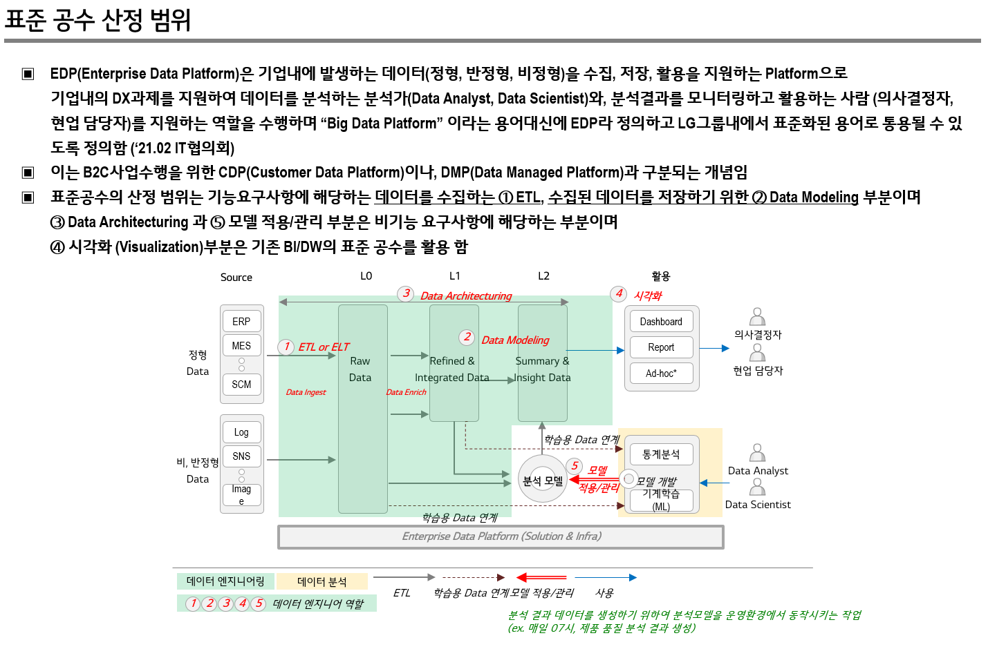
category | C1 | C2 | C3 | C4 | C5
EDP_Ingestion | Refer to 1~2 data, and if you process simple logic | - Refer to 3~4 tables, and handle simple logic | - Refer to 5~6 tables, and if you are dealing with simple logic | - Refer to more than 7 tables, and handle simple/complex logic | . Complexity4 or higher If there is a need for consultation
 |  | - Refer to 1~2 tables, and when processing complex logic | - Refer to 3~4 tables, and handle complex logic | - Refer to 5~6 tables, and handle complex logic
EDP_Enrich | Refer to 1~2 data, and if you process simple logic | - Refer to 3~4 tables, and handle simple logic | - Refer to 5~6 tables, and if you are dealing with simple logic | - Refer to more than 7 tables, and handle simple/complex logic | . Complexity4 or higher If there is a need for consultation
 |  | - Refer to 1~2 tables, and when processing complex logic | - Refer to 3~4 tables, and handle complex logic | - Refer to 5~6 tables, and handle complex logic

As for the standard man-hours for use in the field, it is recommended to set standards for each type of construction and proceed in the direction of proceeding.
Due to the recent characteristics of EDP, there are many cases where various new technologies are applied and applied.?This may require new criteria for the program and may require the development of additional items

Other
